Sheet1
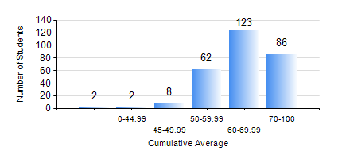
 |  |  | KWAME NKRUMAH UNIVERSITY OF SCIENCE AND TECHNOLOGY, KUMASI Department of Computer Engineering

 |  |  | BSC. COMPUTER ENG.

 |  |  | COMPREHENSIVE RECORD OF EXAMINATION RESULTS

 |  |  | RESULTS OF YEAR 1 SECOND SEMESTER, 2023/2024 ACADEMIC YEAR

 | Sn | Course Code |  | Course Name | Credit Hours | Min. Mark | Max. Mark | Avg. Mark | Std. Dev. | No. Passed | No. Trailed | No. (Df) | No. (I) | No. (I*) | No. Tagged(I,I*,Df) | Total
 | 0. |  |  |  |  |  |  | 0 | 0 | 0 | 0 | 0 | 0 | 0 | 0 | 5
 | 1. | COE 152 |  | BASIC ELECTRONICS | 3 | 15 | 91 | 62 | 11.62 | 275 | 3 | 0 | 0 | 0 | 0 | 278
 | 2. | COE 158 |  | INTRODUCTION TO INFORMATION TECHNOLOGY | 2 | 15 | 91 | 74 | 9.79 | 274 | 3 | 0 | 1 | 0 | 1 | 278
 | 3. | EE 156 |  | ELECTRICAL ENG. DRAWING | 2 | 0 | 88 | 59 | 11.33 | 272 | 6 | 0 | 0 | 0 | 0 | 278
 | 4. | EE 172 |  | ELECTRICAL MACHINES | 3 | 0 | 91 | 54 | 12.94 | 271 | 6 | 0 | 1 | 0 | 1 | 278
 | 5. | ENGL 158 |  | COMMUNICATION SKILLS II | 2 | 15 | 96 | 71 | 12.04 | 275 | 3 | 0 | 0 | 0 | 0 | 278
 | 6. | MATH 152 |  | CALCULUS WITH ANALYSIS | 4 | 19 | 92 | 65 | 10.69 | 272 | 3 | 0 | 1 | 0 | 3 | 278

